Indices

 | Iraq Stock Exchange
 | Bulletin No (111)
 | ISX Trading Indices of Monday 29/6/2026

 | Traded Volume and OTC |  | 1,514,190,765 |  | Traded Value and OTC |  | 1,751,993,719 |  | Traders | 1566

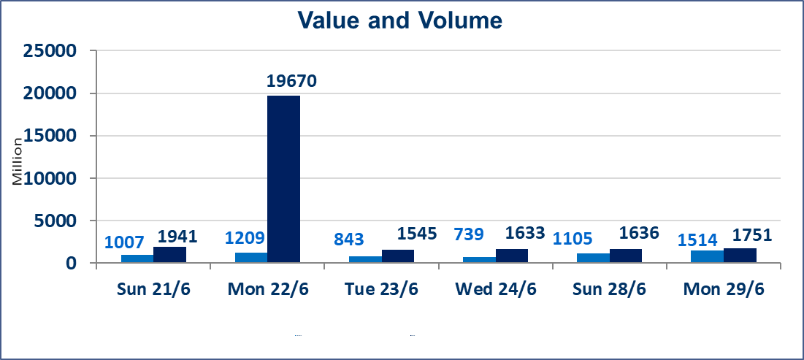
 | ISX Index 60 |  |  | 1015.10 | ISX Index 15 |  |  | 1276.72
 | Previous ISX Index60 |  |  | 1028.21 | Previous ISX Index15 |  |  | 1291.09
 | Change % |  |  | -1.28 | Change % |  |  | -1.11
 | Change |  |  | -13.11 | Change |  |  | -14.37

 | Listed Companies | 103 | OTC | 17 | Non Traded listed | 47 | OTC | 17
 | Traded Listed Companies | 44 | OTC | 0 | Higher Companies |  |  | 11
 | GAM Companies |  |  | 4 | Lower Companies |  |  | 16
 | Suspended Companies |  |  | 8
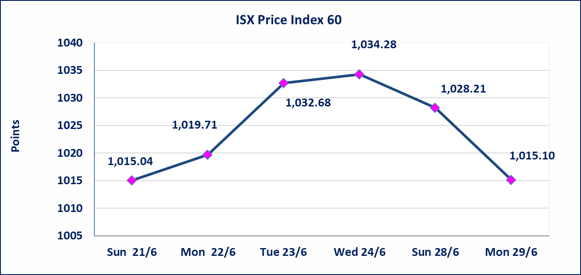
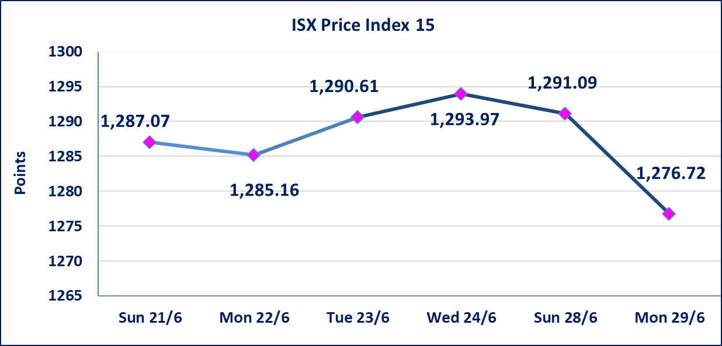

Al-Alwiya P.O . 3607 Mobile: 07711211522 - 07270094594 - 07834000034 E-mail: info-isx@isx-iq.net Web site:www.isx-iq.net

Top 5
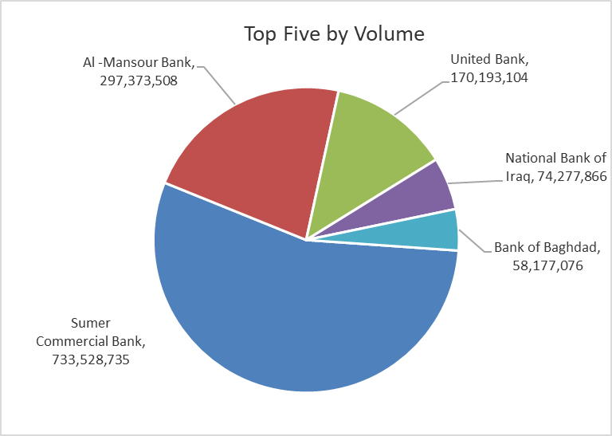
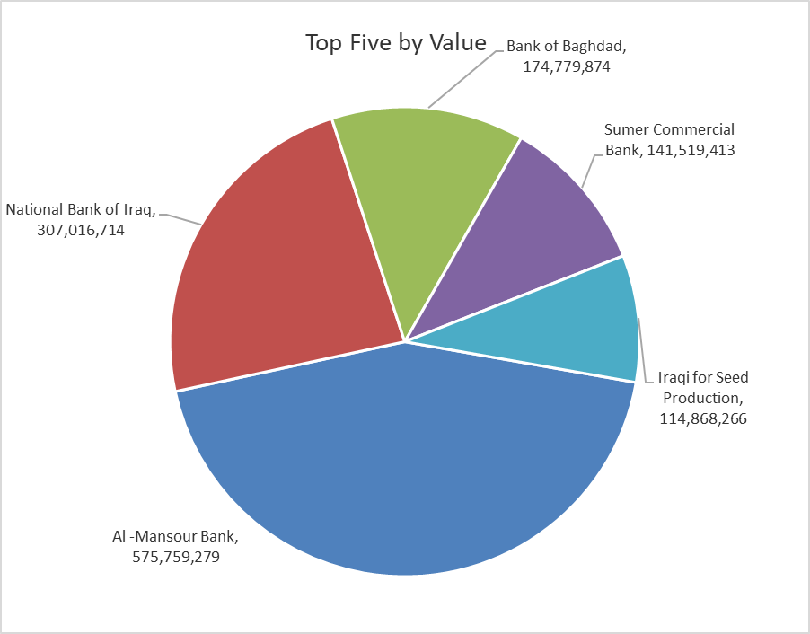

ISX top ganing and losing companies
Monday 29/6/2026
 | Gainers |  |  |  | Losers
 | Company Name | Closing Price | Change (%) | Traded Volume | Company Name | Closing Price | Change (%) | Traded Volume
 | International Islamic Bank | 0.240 | 20.00 | 21,888 | Mamoura Realestate | 3.700 | -5.13 | 3,759,000
 | Sumer Commercial Bank | 0.200 | 5.26 | 733,528,735 | Al-Khatam Telecom | 3.880 | -4.43 | 4,771,193
 | National Chemical &Plastic | 1.980 | 4.21 | 50,000 | Al -Khazer Construction Materials | 1.150 | -4.17 | 313,115
 | Kurdistan International Bank | 1.510 | 4.14 | 101,723 | Bank of Baghdad | 2.950 | -3.28 | 58,177,076
 | Iraqi for Seed Production | 6.850 | 2.85 | 16,709,368 | Ready Made Clothes | 2.400 | -2.83 | 1,212,788
 | The most active companies in term of traded volume and value

 | Traded Volume |  |  |  | Traded Value
 | Company Name | Closing Price | Change (%) | Traded Volume | Company Name | Closing Price | Change (%) | Traded Value
 | Sumer Commercial Bank | 0.200 | 5.26 | 733,528,735 | Al -Mansour Bank | 1.910 | -2.55 | 575,759,279
 | Al -Mansour Bank | 1.910 | -2.55 | 297,373,508 | National Bank of Iraq | 4.070 | -2.63 | 307,016,714
 | United Bank | 0.060 | 0.00 | 170,193,104 | Bank of Baghdad | 2.950 | -3.28 | 174,779,874
 | National Bank of Iraq | 4.070 | -2.63 | 74,277,866 | Sumer Commercial Bank | 0.200 | 5.26 | 141,519,413
 | Bank of Baghdad | 2.950 | -3.28 | 58,177,076 | Iraqi for Seed Production | 6.850 | 2.85 | 114,868,266

Non Iraqis

Iraq Stock Exchange
Non Iraqis' Bulletin Monday Jun 29 2026
Regular Market

Non Iraqi Trading of Regular Market (Buy)
Company Names | Code | No.of trades | Traded Shares | Trading Volume
Banks Sector
Bank Of Baghdad | BBOB | 5 | 5,416,667 | 16,292,501
National Bank Of Iraq | BNOI | 26 | 6,200,000 | 25,798,636
Al-Mansour Bank | BMNS | 29 | 155,000,000 | 300,118,880
Total Bank sector |  | 60 | 166,616,667 | 342,210,017
Grand Total |  | 60 | 166,616,667 | 342,210,017

Non Iraqi Trading of Regular Market (Sell)
Company Names | Code | No.of trades | Traded Shares | Trading Volume
Banks Sector
National Bank Of Iraq | BNOI | 94 | 52,987,856 | 217,716,000
Al-Mansour Bank | BMNS | 6 | 459,743 | 901,096
Total Bank sector |  | 100 | 53,447,599 | 218,617,096
Telecommunication Sector
Al-Khatem Telecoms | TZNI | 35 | 2,725,965 | 10,666,971
Total Telecommunication sector |  | 35 | 2,725,965 | 10,666,971
Grand Total |  | 135 | 56,173,564 | 229,284,068

OTC

Iraq Stock Exchange

Monday 29/6/2026

Not Trading OTC Companies
Company Name | Code | Previous Average price
Banks Sector
Al-Warka Bank | BWAI | 0.140
Al-Sanam Islamic Bank | BSAN | 3.000
Hammurabi Commercial Bank | BHAM | ـــــــــــــــــــــــــــــــــــ
Industrial Sector
Kirkuk producing constructional materials | IKFP | 2.660
Money Service Sector
Rabee Securities | FRSE | 9.050
Karmal Brokerage | FKSX | 10.000
Iraqi Deposit Insurance Corporation | FIDI | 1.000
Ishtar Gate for e-Paymant | FISH | 1.000
Sama Baghdad Exchange | FSBE | ـــــــــــــــــــــــــــــــــــ
Insurance Sector
Zain lnsurance Company | NZA | ـــــــــــــــــــــــــــــــــــ
Dar Altheqa Insurance Company | NDAR | ـــــــــــــــــــــــــــــــــــ
Almaseer lnsurance Company | NMAS | ـــــــــــــــــــــــــــــــــــ
Shatt Al Arab Insurance | NSHA | 1.000
Al Badia Insurance | NBAD | ـــــــــــــــــــــــــــــــــــ
Kurdistan Insurance | NKUI | 0.500
Elaf Insurance | NELF | ـــــــــــــــــــــــــــــــــــ
Dilina Insurance Company | NDIL | ـــــــــــــــــــــــــــــــــــ

Not Trading Bonds

Iraq Stock Exchange
Monday 29/6/2026
Not Trading Bonds Bulletin
Bond type | Publish type | Code | last trading price | immortilize date
Banaa Bonds /Million ID | Second | CB20 | 964,981 | 19/12/2025
Eamar Bonds /Million ID | First | CB30 | 1,001,095 | ــــــــــــــــ
Eamar Bonds /Million ID | Second | CB40 | ــــــــــــــــ | ــــــــــــــــ
Eamar Bonds /500 Thousand ID | Third | CB45 | ــــــــــــــــ | ــــــــــــــــ
Eamar Bonds /Million ID | Third | CB50 | ــــــــــــــــ | ــــــــــــــــ
Injaz Bonds /500 Thousand ID | First | CB55 | ــــــــــــــــ | ــــــــــــــــ
Injaz Bonds /Million ID | First | CB60 | 951,110 | ــــــــــــــــ
Injaz Bonds /500 Thousand ID | Second | CB65 | 511,000
Injaz Bonds /Million ID | Second | CB70 | 965,050 | ــــــــــــــــ
Injaz Bonds /500 Thousand ID | Third | CB75 | ــــــــــــــــ | ــــــــــــــــ
Injaz Bonds /Million ID | Third | CB80 | 978,182 | ــــــــــــــــ
National Bonds/Million ID | First | CB90 | ــــــــــــــــ | ــــــــــــــــ
National Bonds/500 Thousand ID | Second | CB95 | ــــــــــــــــ | ــــــــــــــــ
National Bonds/Million ID | Second | CB100 | ــــــــــــــــ | ــــــــــــــــ

